Sheet1
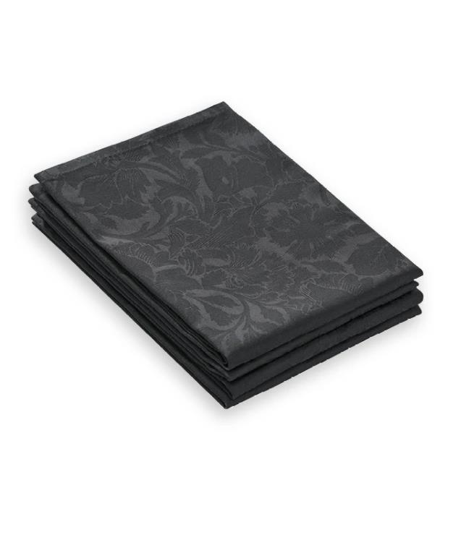
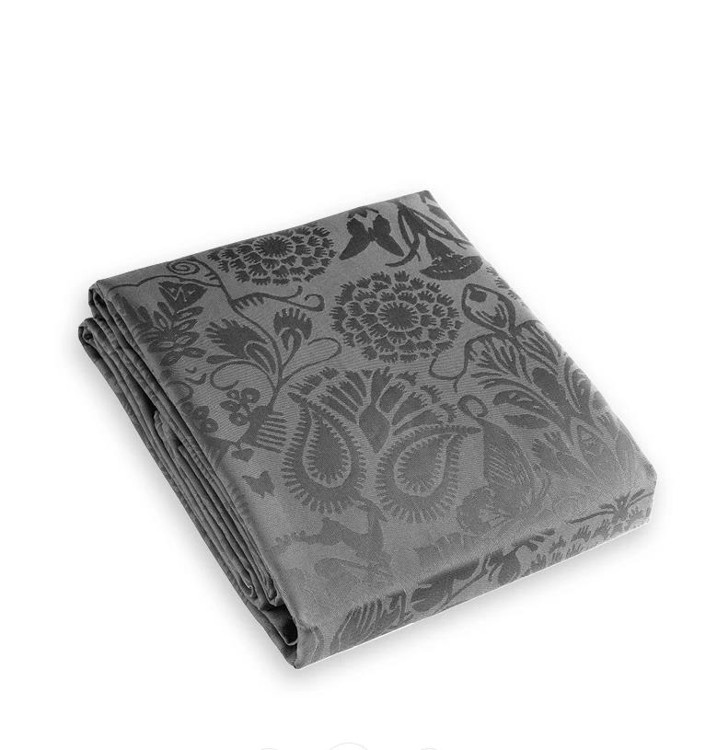
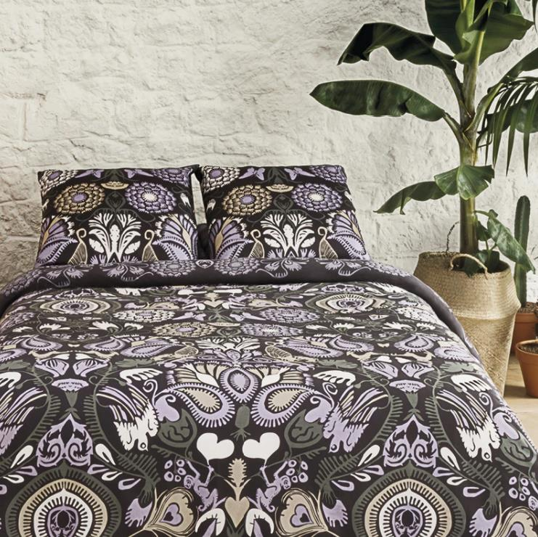
Picture | Item code | Description | Extra information | Restriction | Stock | Sales price EXW | Retail price | Barcode | Quantity PU | Quantity pallet | Pallet | Origin | Customs code | Item weight | Languages on package | Group
 | S-09543 | Christian Lacroix, Set Of 4 Napkins Arabesque, Dark Grey, 50 x 50 cm | 159-080/659-080 |  | 2784 | 4.5 | 35 | 5404014503925 | 12 | 1126 |  | PK | 6302600000 | 0 |  | Christian Lacroix
 | S-09532 | Christian Lacroix, Table Cloth, Dark Grey, 170 x 300 cm | 144-048/644-048 |  | 664 | 13.9 | 105 | 5425038683424 | 6 |  | Europallet 120x80 | CN | 6302510000 | 0 |  | Christian Lacroix
 | S-09509 | Christian Lacroix, Duvet cover Plum 160 X 200 cm and 2 pillow cases 65 x 65 cm 100% cotton | 644-024/144-024 |  | 246 |  | 199 | 5425038681659 | 6 |  | Europallet 120x80 | PK | 57033088 | 0 |  | Christian Lacroix

